Dashboard
Cookie Business DashBoard

Average Profit Margin By Product
 | Total
Chocolate Chip | 150.00%
Fortune Cookie | 400.00%
Oatmeal Raisin | 127.27%
Snickerdoodle | 166.67%
Sugar | 140.00%
White Chocolate Macadamia Nut | 118.18%

Revenue by country
 | Total
India | £763,258.00
Malaysia | £631,911.00
Philippines | £615,691.00
United Kingdom | £799,871.00
United States | £776,439.00
Units sold By product
 | Total
Chocolate Chip | 255996
Fortune Cookie | 117921
Oatmeal Raisin | 121630
Snickerdoodle | 115445
Sugar | 127203
White Chocolate Macadamia Nut | 122955
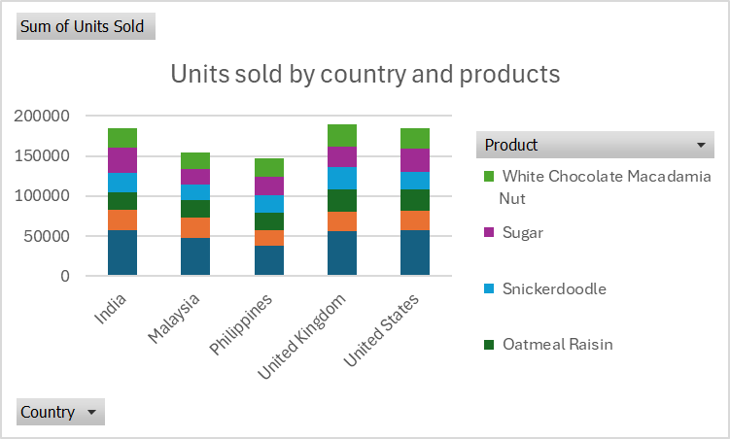
Revenue By Product
 | Chocolate Chip | Fortune Cookie | Oatmeal Raisin | Snickerdoodle | Sugar | White Chocolate Macadamia Nut
Jan | £117,995.00 | £7,702.00 | £50,100.00 | £26,320.00 | £29,904.00 | £59,832.00
Feb | £73,145.00 | £5,405.00 | £42,375.00 | £30,012.00 | £33,630.00 | £47,358.00
Mar | £83,475.00 | £8,280.00 | £38,580.00 | £25,904.00 | £22,686.00 | £40,146.00
Apr | £118,270.00 | £10,056.00 | £53,840.00 | £54,368.00 | £28,092.00 | £68,754.00
May | £77,085.00 | £8,300.00 | £51,185.00 | £19,200.00 | £18,006.00 | £42,090.00
Jun | £127,990.00 | £14,069.00 | £69,925.00 | £60,220.00 | £52,926.00 | £101,718.00
Jul | £113,195.00 | £10,569.00 | £58,110.00 | £27,840.00 | £18,933.00 | £67,524.00
Aug | £94,170.00 | £6,209.00 | £44,325.00 | £29,460.00 | £29,001.00 | £58,590.00
Sep | £87,080.00 | £7,826.00 | £46,200.00 | £32,820.00 | £22,710.00 | £42,138.00
Oct | £148,115.00 | £14,304.00 | £63,060.00 | £60,328.00 | £54,336.00 | £94,494.00
Nov | £70,645.00 | £10,418.00 | £32,545.00 | £38,052.00 | £24,267.00 | £41,952.00
Dec | £168,815.00 | £14,783.00 | £57,905.00 | £57,256.00 | £47,118.00 | £73,134.00

Total reveue by country
Row Labels | Sum of Revenue
India | £763,258.00
Malaysia | £631,911.00
Philippines | £615,691.00
United Kingdom | £799,871.00
United States | £776,439.00
Grand Total | £3,587,170.00

Revenue by country

Totoal unit sold by products
Row Labels | Sum of Units Sold
Chocolate Chip | 255996
Fortune Cookie | 117921
Oatmeal Raisin | 121630
Snickerdoodle | 115445
Sugar | 127203
White Chocolate Macadamia Nut | 122955
Grand Total | 861150

Units sold By product

Average Profit Margin by produc
Row Labels | Average of Profit Margin
Chocolate Chip | 150.00%
Fortune Cookie | 400.00%
Oatmeal Raisin | 127.27%
Snickerdoodle | 166.67%
Sugar | 140.00%
White Chocolate Macadamia Nut | 118.18%
Grand Total | 175.97%

Average Profit Margin By Product

revenue by product over time
Sum of Revenue | Column Labels
Row Labels | Chocolate Chip | Fortune Cookie | Oatmeal Raisin | Snickerdoodle | Sugar | White Chocolate Macadamia Nut | Grand Total
Jan | £117,995.00 | £7,702.00 | £50,100.00 | £26,320.00 | £29,904.00 | £59,832.00 | £291,853.00
Feb | £73,145.00 | £5,405.00 | £42,375.00 | £30,012.00 | £33,630.00 | £47,358.00 | £231,925.00
Mar | £83,475.00 | £8,280.00 | £38,580.00 | £25,904.00 | £22,686.00 | £40,146.00 | £219,071.00
Apr | £118,270.00 | £10,056.00 | £53,840.00 | £54,368.00 | £28,092.00 | £68,754.00 | £333,380.00
Revenue By Product
May | £77,085.00 | £8,300.00 | £51,185.00 | £19,200.00 | £18,006.00 | £42,090.00 | £215,866.00
Jun | £127,990.00 | £14,069.00 | £69,925.00 | £60,220.00 | £52,926.00 | £101,718.00 | £426,848.00
Jul | £113,195.00 | £10,569.00 | £58,110.00 | £27,840.00 | £18,933.00 | £67,524.00 | £296,171.00
Aug | £94,170.00 | £6,209.00 | £44,325.00 | £29,460.00 | £29,001.00 | £58,590.00 | £261,755.00
Sep | £87,080.00 | £7,826.00 | £46,200.00 | £32,820.00 | £22,710.00 | £42,138.00 | £238,774.00
Oct | £148,115.00 | £14,304.00 | £63,060.00 | £60,328.00 | £54,336.00 | £94,494.00 | £434,637.00
Nov | £70,645.00 | £10,418.00 | £32,545.00 | £38,052.00 | £24,267.00 | £41,952.00 | £217,879.00
Dec | £168,815.00 | £14,783.00 | £57,905.00 | £57,256.00 | £47,118.00 | £73,134.00 | £419,011.00
Grand Total | £1,279,980.00 | £117,921.00 | £608,150.00 | £461,780.00 | £381,609.00 | £737,730.00 | £3,587,170.00

Revenue By Product

Units sold by country and produ
Sum of Units Sold | Column Labels
Row Labels | Chocolate Chip | Fortune Cookie | Oatmeal Raisin | Snickerdoodle | Sugar | White Chocolate Macadamia Nut | Grand Total
India | 57409 | 25400 | 21723 | 24771 | 30644 | 25197 | 185144
Malaysia | 47753 | 24832 | 22133 | 19002 | 20053 | 20247 | 154020
Philippines | 37488 | 19279 | 22756 | 21619 | 22590 | 23491 | 147223
United Kingdom | 56097 | 24758 | 27498 | 28209 | 24664 | 28385 | 189611
United States | 57249 | 23652 | 27520 | 21844 | 29252 | 25635 | 185152
Grand Total | 255996 | 117921 | 121630 | 115445 | 127203 | 122955 | 861150

Units sold by country and products

